Sheet1
Engine Front Face - Stud Loads |  |  |  |  |  | Project | P074 - LMH |  |  | Addressee |  | PIPO Moteurs |  |  | Revision | 1
Face centroid |  | 2000 | 0 | 247
 |  |  |  |  |  | Bolt Axial Loads (Fx) |  |  |  |  |  |  |  | Bolt Y Shear Loads (Fy) |  |  |  |  |  |  |  | Bolt Z Shear Loads (Fz)
# | Case | ax | ay | az | Speed | L1 | L2 | L3 | L4 | R1 | R2 | R3 | R4 | L1 | L2 | L3 | L4 | R1 | R2 | R3 | R4 | L1 | L2 | L3 | L4 | R1 | R2 | R3 | R4
1 | Brake | 3.6 | 0 | 1 | 320 | -6687 | -3147 | 0 | 8160 | -6687 | -3147 | 0 | 8160 | 0 | 0 | 0 | 0 | 0 | 0 | 0 | 0 | 852 | 852 | 852 | 852 | 852 | 852 | 852 | 852
2 | Bump | 0 | 0 | 5 | 320 | -26908 | -13576 | 0 | 29015 | -26908 | -13576 | 0 | 29015 | 0 | 0 | 0 | 0 | 0 | 0 | 0 | 0 | 1127 | 1127 | 1127 | 1127 | 1127 | 1127 | 1127 | 1127
3 | Brake + Bump | 2.8 | 0 | 4 | 250 | -19235 | -9528 | 0 | 21479 | -19235 | -9528 | 0 | 21479 | 0 | 0 | 0 | 0 | 0 | 0 | 0 | 0 | 1287 | 1287 | 1287 | 1287 | 1287 | 1287 | 1287 | 1287
4 | Lateral | 0 | 3 | 1 | 320 | -1139 | 6151 | 0 | 15183 | -16141 | -14870 | 0 | 3450 | -33 | -315 | -843 | -1213 | -1169 | -888 | -359 | 11 | 1026 | 1307 | 947 | 873 | 1026 | 1307 | 947 | 873
5 | Lateral + Bump | 0 | 2.5 | 4 | 200 | -13608 | -1261 | 0 | 26303 | -26110 | -18778 | 0 | 16525 | -28 | -262 | -703 | -1011 | -974 | -740 | -299 | 9 | 1435 | 1669 | 1368 | 1307 | 1435 | 1669 | 1368 | 1307
6 | Lateral + Brake | 2.6 | 2.5 | 1 | 320 | -978 | 5275 | 0 | 13370 | -13480 | -12243 | 0 | 3592 | -28 | -262 | -703 | -1011 | -974 | -740 | -299 | 9 | 1290 | 1524 | 1223 | 1162 | 1290 | 1524 | 1223 | 1162
7 | Reverse Brake + Bump | -2.5 | 0 | 5 | 0 | -24192 | -12362 | 0 | 25426 | -24192 | -12362 | 0 | 25426 | 0 | 0 | 0 | 0 | 0 | 0 | 0 | 0 | 636 | 636 | 636 | 636 | 636 | 636 | 636 | 636
8 | Acceleration | -1.6 | 0 | 1 | 150 | -11164 | -6572 | 0 | 8096 | -11164 | -6572 | 0 | 8096 | 0 | 0 | 0 | 0 | 0 | 0 | 0 | 0 | -6 | -6 | -6 | -6 | -6 | -6 | -6 | -6
9 | Acceleration + Bump | -2 | 0 | 5 | 150 | -30857 | -16743 | 0 | 28346 | -30857 | -16743 | 0 | 28346 | 0 | 0 | 0 | 0 | 0 | 0 | 0 | 0 | 737 | 737 | 737 | 737 | 737 | 737 | 737 | 737
10 | Single wheel bump RL (manual) | 0 | 0 | 5 | 320 | -26303 | -13270 | 0 | 28362 | -26303 | -13270 | 0 | 28362 | -4823 | -2433 | 2056 | 5201 | 4823 | 2433 | -2056 | -5201 | -3091 | -5481 | -2415 | -1793 | -3091 | -5481 | -2415 | -1793
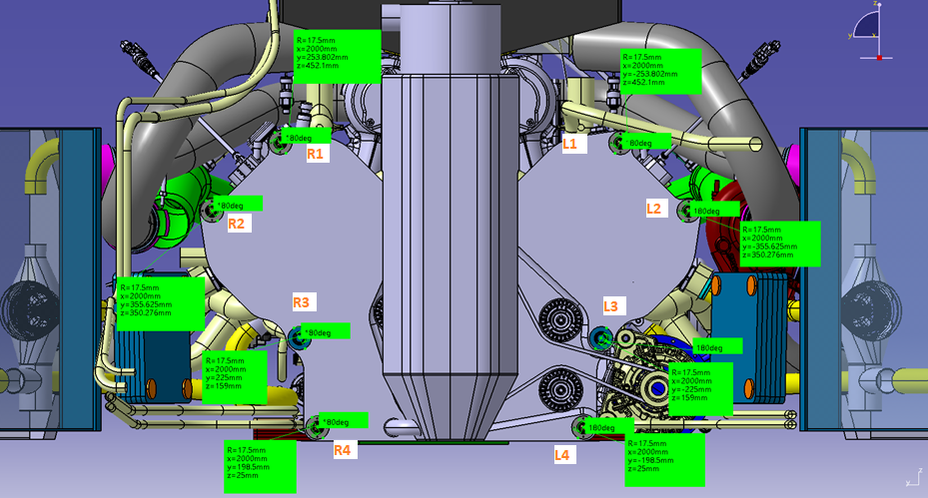
 |  |  |  |  |  | Resultant Shear Loads (Fz) |  |  |  |  |  |  |  | Required tightening axial load (Fa)
# | Case |  |  |  |  | L1 | L2 | L3 | L4 | R1 | R2 | R3 | R4 | L1 | L2 | L3 | L4 | R1 | R2 | R3 | R4
1 | Brake |  |  |  |  | 852 | 852 | 852 | 852 | 852 | 852 | 852 | 852 | 4367 | 4367 | 4367 | 4367 | 4367 | 4367 | 4367 | 4367
2 | Bump |  |  |  |  | 1127 | 1127 | 1127 | 1127 | 1127 | 1127 | 1127 | 1127 | 5777 | 5777 | 5777 | 5777 | 5777 | 5777 | 5777 | 5777
3 | Brake + Bump |  |  |  |  | 1287 | 1287 | 1287 | 1287 | 1287 | 1287 | 1287 | 1287 | 6602 | 6602 | 6602 | 6602 | 6602 | 6602 | 6602 | 6602
4 | Lateral |  |  |  |  | 1027 | 1345 | 1268 | 1495 | 1555 | 1580 | 1012 | 873 | 5265 | 6896 | 6501 | 7667 | 7976 | 8104 | 5192 | 4479
5 | Lateral + Bump |  |  |  |  | 1435 | 1689 | 1538 | 1653 | 1734 | 1826 | 1401 | 1307 | 7358 | 8664 | 7888 | 8475 | 8893 | 9362 | 7183 | 6704
6 | Lateral + Brake |  |  |  |  | 1290 | 1546 | 1411 | 1541 | 1616 | 1694 | 1259 | 1162 | 6615 | 7931 | 7235 | 7901 | 8288 | 8688 | 6459 | 5961
7 | Reverse Brake + Bump |  |  |  |  | 636 | 636 | 636 | 636 | 636 | 636 | 636 | 636 | 3263 | 3263 | 3263 | 3263 | 3263 | 3263 | 3263 | 3263
8 | Acceleration |  |  |  |  | 6 | 6 | 6 | 6 | 6 | 6 | 6 | 6 | 32 | 32 | 32 | 32 | 32 | 32 | 32 | 32
9 | Acceleration + Bump |  |  |  |  | 737 | 737 | 737 | 737 | 737 | 737 | 737 | 737 | 3778 | 3778 | 3778 | 3778 | 3778 | 3778 | 3778 | 3778
10 | Single wheel bump RL (manual) |  |  |  |  | 5729 | 5997 | 3172 | 5501 | 5729 | 5997 | 3172 | 5501 | 29379 | 30755 | 16266 | 28213 | 29379 | 30755 | 16266 | 28213

 |  |  |  |  |  |  | MAX AXIAL LOAD |  | 29015 | N |  |  |  | MAX SHEAR LOAD |  | 30755 | N
 | Input data |  |  |  |  |  | MIN AXIAL LOAD |  | -30857 | N
 | Tightening interface
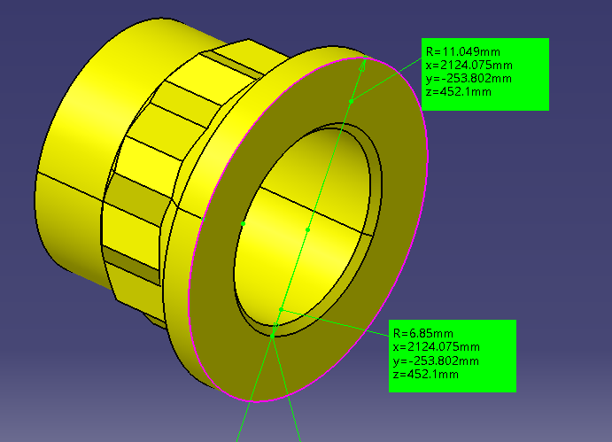
 | Steel-steel friction coefficient | 0.39 | -
 | SF | 2 | -
 | Required axial load | 31000 | N

 | Thread data
 | Pitch diameter | 11.875 | mm
 | Root diameter | 11.143 | mm
 | Pitch | 1.27 | mm
 | Helix angle | 30 | °
 | Thread friction coefficient | 0.12

 | Nut data
 | Outer contact diameter | 22.098 | mm
 | Inner contact diameter | 13.7 | mm
 | Nut friction coefficient | 0.12 | -
 | Nut friction diameter | 17.899 | mm

 | Tightening torque | 65062.52 | Nmm | Belingardi
 | Tightening torque | 65.06 | Nm | Belingardi

 | Screw and clamped members compliance

 | Washer external diameter | 15.875 | mm
 | Hole diameter | 13.5 | mm
 | Clamped member area | 1861.093537 | mm^2
 | Clamped member length | 120 | mm
 | Clamped member Young modulus | 70000 | MPa
 | Clamped member compliance | 9.2111743992E-07 | MPa

 | Screw compliance | 6.0129376375E-06 | MPa

 | Unscrew verification

 | Uncertainty from tightening
 | Tightening torque uncertainty | 4 | %
 | Axial load from uncertainty reduction | 30876 | N

 | Reduction of axial force from clamping
 | Reduction of clamping interference | 0.000035 | mm
 | Reduction of clamping force | 5.0475514846 | N |  |  |  |  |  |  |  | Working diagram
 |  |  |  |  |  |  |  |  |  |  | Screw |  | Clamp
 | External load distribution |  |  |  |  |  |  |  |  |  | i | Force | i | Force | Force
 | delta C screw | 3854 | N |  |  |  |  |  |  |  | [mm] | [N] | [mm] | [N] | [N]
 | delta C clamped members | 25161 | N |  |  |  |  |  |  |  | 0 | 0 | 0 | 0 | 10856.378966
 |  |  |  |  |  |  |  |  |  |  | 0.01 | 1663.080611 | 0.01 | -10856.378966 | 0
 | Resultant clamping force | 5710 | N

 | Stud strenght

 | Minimum diameter | 11 | mm
 | Root area | 97.520101 | mm^2
 | Minimum area | 95.033177771 | mm^2
 | Yield strength | 1172 | MPa
 | Stud Young modulus | 210000 | MPa

 | Loads
 | Stud tightening torque | 65062.52 | Nmm
 | Peak stud axial load | 34854 | N

 | Stress
 | Normal stress - not threaded section | 366.75957451 | MPa
 | Normal stress - threaded section | 357.40660117 | MPa
 | Torsional stress - threaded section | 239.49397215 | MPa
 | Equivalent stress - threaded section (Von Mises) | 547.55051516 | MPa

 | SF
 | Yield SF | 2.1404417813

